Sheet1
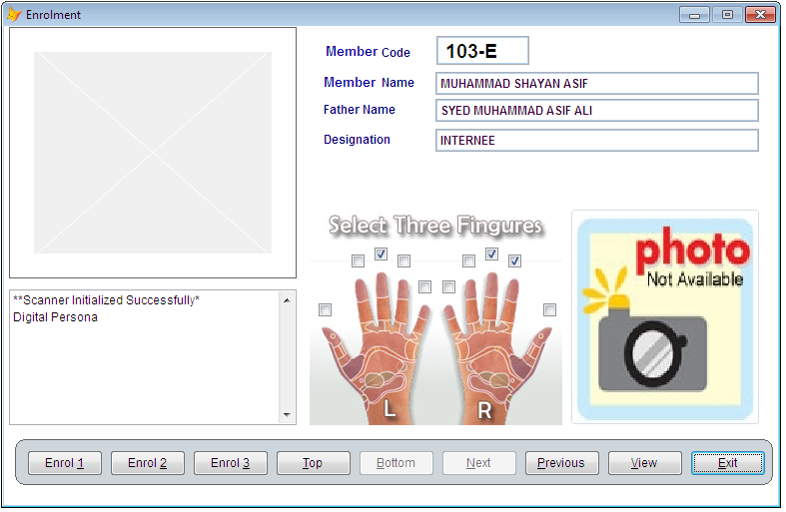

 | Table Name = "fmf" & DB Name = "suiph1"
 | table fields name and type used in table
 | acc_cd Varchar (7) NULL DEFAULT (''),"
 | name Varchar (50) NULL DEFAULT (''),"
 | f_name Varchar (35) NULL DEFAULT (''),"
 | desg Varchar (20) NULL DEFAULT (''),"
 | template1 Varbinary ,"
 | template2 Varbinary ,"
 | template3 Varbinary ,"
 | finger1 Numeric ( 1,0) NULL DEFAULT (0),"
 | finger2 Numeric ( 1,0) NULL DEFAULT (0),"
 | finger3 Numeric ( 1,0) NULL DEFAULT (0),"
 | finger4 Numeric ( 1,0) NULL DEFAULT (0),"
Verify and save if not already enrolled | finger5 Numeric ( 1,0) NULL DEFAULT (0),"
 | finger6 Numeric ( 1,0) NULL DEFAULT (0),"
Use only three fingers at a time
 | finger7 Numeric ( 1,0) NULL DEFAULT (0),"
 | finger8 Numeric ( 1,0) NULL DEFAULT (0),"
 | finger9 Numeric ( 1,0) NULL DEFAULT (0),"
 | finger10 Numeric ( 1,0) NULL DEFAULT (0),"

